Strategic Initative
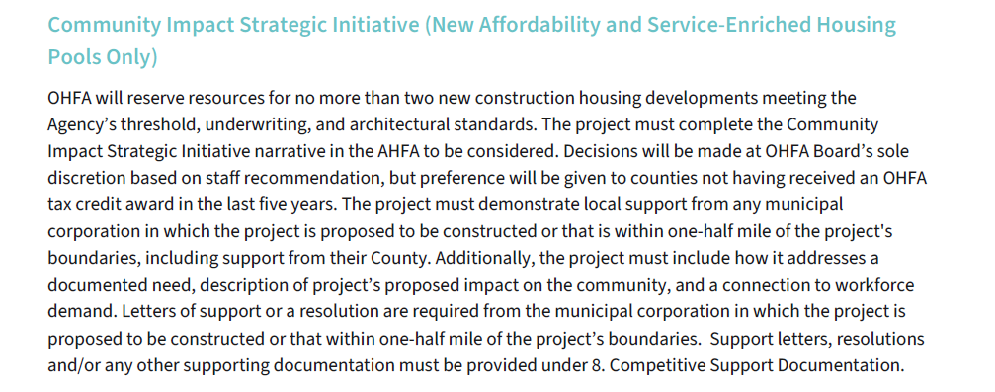
 |  | Project Information |  |  |  |  |  |  |  | Competitive Score |  |  |  | Applied for Set-Aside? |  |  |  |  | Tiebreakers |  | Funding Information |  |  |  |  |  |  |  |  |  | HOME & LIHTC Set Asides |  | Unit/Cost Information
OHFA Tracking Number | Project Name | City | County | LIHTC Deals in Past 5 Years | Appalachian County? | Construction Type | Subpool | Total Units | Lead Developer | TOTAL OHFA SCORE Max 57 points | % of Total Points Earned | Proposal Automated Score | Proposal Developer Self Score | CHDO Sponsor (>2) | Community Impact Srategic Initiative (<2) | Appalachian County (>2) | Transformative Economic Development (1) | Refugee Settlement Agency Partnership (1) | Highest raw Opportunity Index Rating | Largest number of LIHTC units | Funding Result | Credits Requested | Credits Reserved | HDAP Requested | HDAP Reserved | HDAP Source | HDL Requested | HDL Reserved | Net Equity Price | MLP Request | LIHTC Non-Profit Set Aside | CHDO HOME Set-Aside | LI Units | Total Units | Gross Square Footage | TDC | TDC per Unit | TDC per GSF
25-0058 | Paint Creek Crossing | Washington Court House | Fayette | 0 | No | New Construction | Rural | 54 | Spire Development, Inc. | 42 | 74% | 42 | 42 | No | Yes | No | Yes | No | 19 | 54 | Funded - Transformative Economic Development | $1,781,500 | $1,781,500 | $0 | $0 |  | $1,750,000 | $1,750,000 | $0.84 | $0 | No | No | 54 | 54 | 51,066 | $17,438,104 | $322,928 | $341
25-0001 | Chesapeake Landing | Chesapeake | Lawrence | 1 | Yes | New Construction | Rural | 63 | Ironton Lawence County Area Community Action Organization | 55 | 92% | 55 | 55 | Yes | Yes |  |  |  | 76 | 63 | Funded - Community Impact Strategic Initiative | $1,781,500 | $1,781,500 | $1,000,000 | $1,000,000 | HOME | $1,750,000 | $1,750,000 | $0.84 | $0 | Yes | Yes | 63 | 63 | 66,764 | $19,093,230 | $303,067 | $286
25-0017 | Fountain Creek Senior Villas | Bryan | Williams | 1 | No | New Construction | Rural | 50 | Frontier Community Services | 54 | 90% | 54 | 54 | Yes | Yes |  |  |  | 68 | 50 | Funded - Community Impact Strategic Initiative | $1,249,708 | $1,249,708 | $1,000,000 | $1,000,000 | HOME | $1,750,000 | $1,750,000 | $0.89 | $0 | Yes | Yes | 50 | 50 | 71,389 | $13,277,724 | $265,554 | $186
25-0039 | Stryker Crossing | Village of Stryker | Williams | 1 | No | New Construction | Rural | 50 | Provident Management, Inc. | 38 | 67% | 40 | 40 | No | Yes | No | No | No | 62 | 50 | Not Funded - Non-Competitive | $1,499,950 |  | $0 |  |  | $1,750,000 |  | $0.84 | $0 | No | No | 50 | 50 | 49,686 | $14,621,992 | $292,440 | $294
25-0005 | McGregor PACE Independent Living | Elyria | Lorain | 8 | No | New Construction | Rural | 70 | CHN Housing Partners | 54 | 90% | 54 | 54 | Yes | Yes |  |  |  | 67 | 70 | Not Funded - Non-Competitive CHDO Sponsor | $1,749,900 |  | $1,000,000 |  |  | $1,750,000 |  | $0.92 | $0 | Yes | Yes | 70 | 70 | 61,490 | $22,475,136 | $321,073 | $366
25-0074 | Southside Gateway | Lorain | Lorain | 8 | No | New Construction | Central City and Metro/Suburban | 75 | The Finch Group dba TFG Housing Resources | 48 | 84% | 48 | 48 | No | Yes | No | No | No | 47 | 60 | Not Funded - Non-Competitive | $1,781,500 |  | $0 |  |  | $1,750,000 |  | $0.87 | $0 | No | No | 60 | 75 | 99,005 | $24,709,357 | $329,458 | $250
25-0024 | Downtown Cincinnati Senior Housing | Cincinnati | Hamilton | 36 | No | New Construction | Central City and Metro/Suburban | 58 | National Church Residences | 58 | 97% | 58 | 58 | No | Yes |  |  |  | 97 | 58 | Not Funded - Non-Competitive | $1,739,942 |  | $0 |  |  | $1,750,000 |  | $0.87 | $0 | Yes | No | 58 | 58 | 46,121 | $20,746,380 | $357,696 | $450
25-0031 | Vine and Polk | Cincinnati | Hamilton | 36 | No | New Construction | Central City and Metro/Suburban | 57 | Over-the Rhine Community Housing | 54 | 95% | 54 | 54 | Yes | Yes | No | No | Yes | 86 | 57 | Funded - CHDO Sponsor | $1,424,943 | $1,424,943 | $1,000,000 | $1,000,000 | HOME | $1,750,000 | $1,750,000 | $0.88 | $0 | Yes | Yes | 57 | 57 | 54,783 | $19,984,135 | $350,599 | $365
25-0033 | Lorain Avenue Redevelopment | Cleveland | Cuyahoga | 53 | No | New Construction | Central City and Metro/Suburban | 72 | Pennrose LLC | 60 | 100% | 60 | 60 | No | Yes |  |  |  | 93 | 72 | Funded - Competitive | $1,781,500 | $1,781,500 | $0 | $0 |  | $1,750,000 | $1,750,000 | $0.86 | $0 | No | No | 72 | 72 | 69,266 | $24,139,273 | $335,268 | $349
25-0067 | HUB 27 Senior Lofts | Cleveland-Elyria, OH MSA | Cuyahoga | 53 | No | New Construction | Central City and Metro/Suburban | 64 | St. Mary Development Corporation | 59 | 98% | 59 | 59 | No | Yes |  |  |  | 81 | 64 | Not Funded - Non-Competitive | $1,599,776 |  | $0 |  |  | $1,750,000 |  | $0.89 | $0 | Yes | No | 64 | 64 | 58,800 | $20,742,303 | $324,098 | $353
25-0044 | Barton Place Apartments | Lakewood | Cuyahoga | 53 | No | New Construction | Central City and Metro/Suburban | 63 | SALUS DEVELOPMENT LLC | 58 | 97% | 58 | 58 | No | Yes |  |  |  | 91 | 63 | Not Funded - Non-Competitive | $1,574,937 |  | $0 |  |  | $1,750,000 |  | $0.92 | $0 | No | No | 63 | 63 | 62,254 | $17,950,102 | $284,922 | $288
25-0037 | HUB 27 II | Cleveland | Cuyahoga | 53 | No | New Construction | Central City and Metro/Suburban | 69 | Pivotal Development LLC | 56 | 98% | 56 | 56 | No | Yes | No | No | No | 81 | 69 | Not Funded - Non-Competitive | $1,724,930 |  | $0 |  |  | $1,750,000 |  | $0.91 | $0 | Yes | No | 69 | 69 | 69,265 | $23,153,500 | $335,558 | $334
25-0066 | HUB 27 Phase III | Cleveland | Cuyahoga | 53 | No | New Construction | Central City and Metro/Suburban | 67 | St. Mary Development Corporation | 56 | 98% | 56 | 56 | No | Yes | No | No | No | 81 | 67 | Not Funded - Non-Competitive | $1,674,933 |  | $0 |  |  | $1,750,000 |  | $0.89 | $0 | Yes | No | 67 | 67 | 64,595 | $21,923,752 | $327,220 | $339
25-0082 | Depot Lofts at 30th | Cleveland | Cuyahoga | 53 | No | New Construction | Central City and Metro/Suburban | 60 | Wallick Development, LLC | 56 | 98% | 56 | 56 | No | Yes | No | No | Yes | 81 | 60 | Not Funded - Non-Competitive | $1,499,940 |  | $0 |  |  | $1,750,000 |  | $0.88 | $0 | No | No | 60 | 60 | 76,436 | $19,648,502 | $327,475 | $257
25-0046 | MLK Plaza Phase 1A | Cleveland | Cuyahoga | 53 | No | New Construction | Central City and Metro/Suburban | 53 | Northern Real Estate Urban Ventures, LLC | 50 | 88% | 50 | 50 | No | Yes | No | No | No | 14 | 53 | Not Funded - Non-Competitive | $1,589,947 |  | $0 |  |  | $1,750,000 |  | $0.88 | $0 | No | No | 53 | 53 | 62,336 | $19,147,204 | $361,268 | $307

 | Please note: Paint Creek Crossing, Vine and Polk, and Lorain Avenue are being funded competitively or through other set asides.

